Overview Diagram
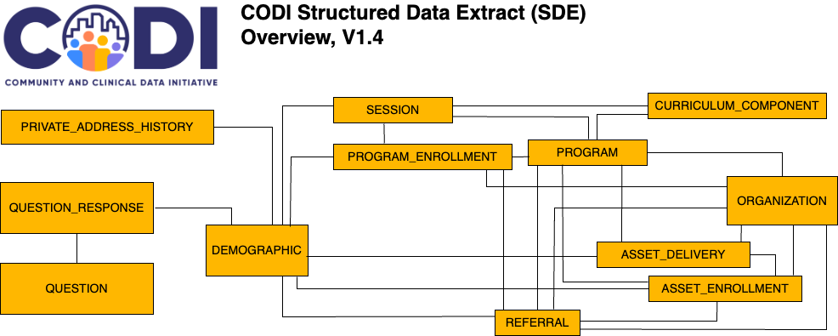
CODI Structured Data Extract Overview Diagram, Version 1.4
The overview diagram below shows the twelve tables in Structure Data Extract, a subset of the the CODI Data Model and their relationships.

